Sheet1
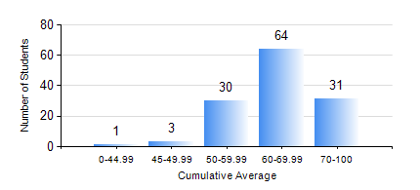
 |  |  | KWAME NKRUMAH UNIVERSITY OF SCIENCE AND TECHNOLOGY, KUMASI Department of Electrical/Electronic Engineering

 |  |  | BSC. ELECTRICAL/ELECTRONIC ENG.

 |  |  | COMPREHENSIVE RECORD OF EXAMINATION RESULTS

 |  |  | RESULTS OF YEAR 3 FIRST SEMESTER, 2018/2019 ACADEMIC YEAR

 | Sn | Course Code |  | Course Name | Credit Hours | Min. Mark | Max. Mark | Avg. Mark | Std. Dev. | No. Passed | No. Trailed | No. (Df) | No. (I) | No. (I*) | No. Tagged(I,I*,Df) | Total
 | 0. |  |  |  |  |  |  | 0 | 0 | 0 | 0 | 0 | 0 | 0 | 0 | 4
 | 1. | COE 381 |  | MICROPROCESSORS | 3 | 5 | 94 | 54 | 14.34 | 112 | 13 | 0 | 0 | 0 | 0 | 125
 | 2. | EE 365 |  | ELECTRICAL SERVICES DESIGN | 2 | 42 | 92 | 70 | 9.55 | 125 | 0 | 0 | 0 | 0 | 0 | 125
 | 3. | EE 367 |  | POWER GENERATION AND SUPPLY | 3 | 40 | 94 | 72 | 10.19 | 125 | 0 | 0 | 0 | 0 | 0 | 125
 | 4. | EE 371 |  | LINEAR ELECTRONIC CIRCUITS | 3 | 29 | 85 | 62 | 10.5 | 122 | 3 | 0 | 0 | 0 | 0 | 125
 | 5. | EE 387 |  | CLASSICAL CONTROL SYSTEMS | 2 | 16 | 93 | 56 | 15.27 | 112 | 13 | 0 | 0 | 0 | 0 | 125
 | 6. | MATH 351 |  | NUMERICAL ANALYSIS | 2 | 29 | 88 | 64 | 12.17 | 123 | 2 | 0 | 0 | 0 | 0 | 125
 | 7. | MATH 353 |  | PROBABILTY AND STATISTICS | 2 | 40 | 93 | 68 | 12.17 | 125 | 0 | 0 | 0 | 0 | 0 | 125
 | 8. | TE 271 |  | ANALOG COMMUNICATION SYSTEMS | 2 | 40 | 87 | 57 | 12.6 | 125 | 0 | 0 | 0 | 0 | 0 | 125

